Instructions
MCRH Staff | Send a reminder email to members requesting they reply to the email with results for the time period noted in the email.
Results based on | If possible, report results based on discharge date. Whether you report by Dishcarge Date or Received Date, be consistent from quarter to quarter in the method you are using.
QN Members | Fill in your hospital name.
 | Select either Discharge Date or Received Date in the "Results based on" box
 | Add your hospitals results for the period being requested.
 | Fill in only the Score and N-Size Boxes
 | N-Size = Total number of reponses returned for that question
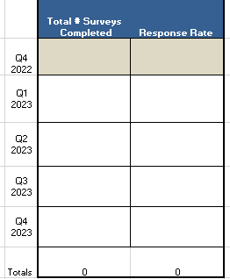
 | Fill in Number Total # of Surveys Completed for the Quarter and Response Rate
 | Total # of Surveys - If not available use the highest N size
 | Response Rate - If not available divide number of responses/number of eligible participants

 | Save the file after entering data.
 | Attach a copy of the Excel file to the reminder and reply back to the MCRH.

Timeline
 | The Quarter Being Reported | Satisfaction Results Considered Final | Expect a Reminder Email from the MCRH | Reply Due Back to the MCRH
 | Q4 2022 | Mar-23 | First week of June 2023 | June 15th
 | October – December
 | Q1 | June 1st | First week of June | June 15th
 | January - March
 | Q2 | September 1st | First week of September | September 15th
 | April - June
 | Q3 | December 1st | First week of December | December 15th
 | July - September
 | Q4 | March 1st | First week of March | March 15th
 | October - December

